GYM ACCESSORIES
ITEM DESCRIPTION | SKU # | UNITS PER CASE | BOXES | TOTAL UNITS | PHOTO | UP CODE | MSRP | Retail Price per Case | Description
GAIAM RELAX MASSAGE ROLLER | SKU: 05-62258 | 12 | 304 BOXES | 3648 | 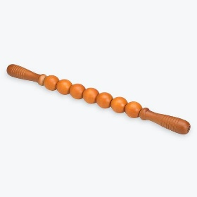 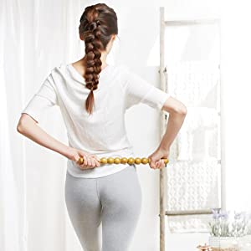 | UPC: 01871362258 | $19.98 | $72,887.04 | 16" long hand-held massage roller Ergonomic comfort-grip handles Nine independent, textured massage rings roll freely for ultimate muscle stimulation Target pressure points, increase circulation and alleviate sore muscles Exercise Guide Included
GAIAM RESTORE COLD THERAPY | SKU: 05-62419 | 4 | 411 BOXES | 1644 | 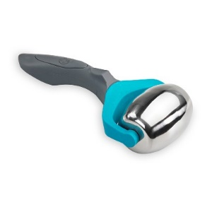 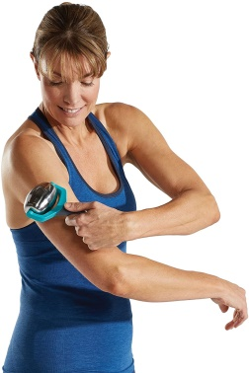 | UPC: 18713624192 | $24.98 | $41,067.12 | Stainless steel massage barrel with easy-glide bearings for smooth rolling Ergonomic, comfortable sure-grip handle Smaller size great for total body relief & on-the-go Use Reduce inflammation, soothe sore muscles and relieve pain Cold gel technology allows roller to hold temperature for up to 20 minutes
SPRI XERCISE BALL 65CM | SKU: 05-58477 | 6 | 37 BOXES | 222 | 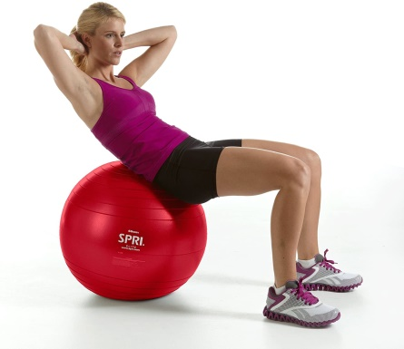 | UPC: 18713584779 | $104.18 | $23,127.96 | Safe, heavy-duty, slow-deflate quality Xercise Balls Durable enough to withstand diverse training applications in any club environment Slow-deflate up to 500 lbs. 7P Free Suggested height-5'8"-6'3"
SPRI CROSS TRAIN SOFT MEDICINE BALL | SKU: 05-60578 | 1 | 34 BOXES | 34 | 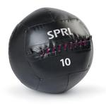 | UPC: 018713605788 | $42.53 | $1,446.02 | This industrial-grade Chic Wall Ball is the perfect choice for a home gym, gym or cross training facility. The durable commercial-grade vinyl and stitching is built to last through light or rigorous workouts.
GAIAM RELAX ESSENTIAL OILS | SKU: 05-62255 | 12 | 109 BOXES | 1308 | 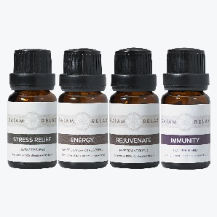 | UPC: 018713622556 | $24.98 | $32,673.84 | Relax and unwind with this 4-pack of essential oils. Each scent is 100% all-natural and designed with a specific benefit in mind: Peppermint for rejuvenation, lavender for stress relief, sweet orange for energy, and tea tree for immune health. These oils also pair perfectly with our stand-alone diffuser or USB diffuser. Therapeutic quality, Grade A, essential oils. 4-pack of 10ml bottles
SPRI 50LB FIT BAG | SKU: 07-70597 | 1 | 33 BOXES | 33 | 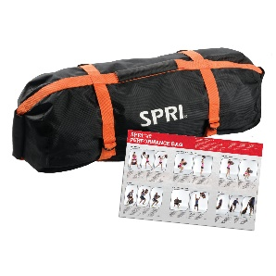 | UPC: 759026705979 | $79.99 | $2,639.67 | Durable nylon bag with oversized zipper, sturdy snaps and double closure to keep sand securely inside the bag Variable-grip handle placement: horizontal, vertical and end to accommodate all types of movement Perfect for controlled, dynamic, or ultra-dynamic resistance exercise movements Used for many Crossfit exercises including chops, tosses, carries, drags and more
Toeless Grippy Yoga Socks | SKU: 05-61679 | 192 | 34 BOXES | 6528 | 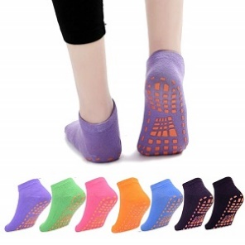 | UPC BLUE/GREEN: 018713616432 UPC PURPLE/PINK: 018713616425 | $8.98 | $58,621.44 | With our Evolve by Gaiam Toeless Grippy Yoga Socks you’ll be able to practice whenever wherever. Designed to be used with a mat or without, these comfy athletic socks give you a non-slip surface to increase balance and stability. The targeted traction zones provide no-slip grip on any surface, while the open design allows toes to spread naturally for better tactile feel and balance.
SPRI IGNITE HOT COLD ROLLER SLEEVE | SKU: 07-71493 | 12 | 163 BOXES | 1956 |  | UPC: 759026714933 | $5.00 | $9,780.00 | Add the benefits of cold recover to your foam roller exercise with the Cool RX Roller Sleeve from Ignite by SPRI. Add a cooling recovery by placing the cotton covered sleeve in a freezer, then slipping it over a foam roller for added relief. Compatible with most rollers. Age.
SPRI HIGH DENSITY ROLLER | SKU: 07-71242 | 6 | 49 BOXES | 294 | 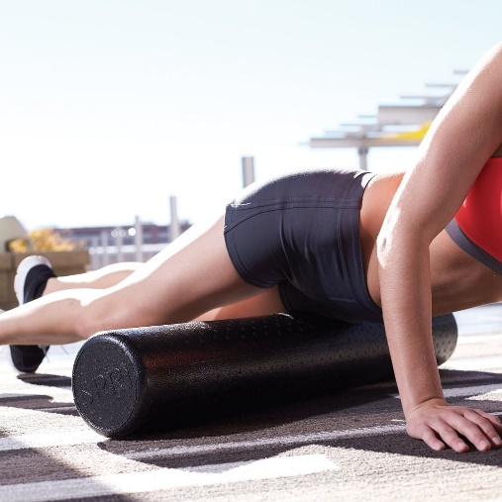 | NO UPC | $44.98 | $13,224.12 | Build strength, improve balance, lengthen muscles, and release tension with this full-length roller that provides total body support. High-density foam provides firm support for all body types. From gentle stretching and alignment to challenging balance and core strength conditioning, the foam roller is one exercise tool that offers a wide variety of exercise options. Includes a free downloadable exercise guide
E-Z AIR PUMP DUAL ACTION | SKU: RFBP | 100 | 20 BOXES | 2000 |  | UPC: 7599026705290 | $8.00 | $16,000.00 | Use this hand pump to inflate any stability ball.The small and simple design makes it easy-to-use and ideal for travel. Compatible with our Elite, Professional Plus, and Ultra Stability Balls.
SPRI SPORTS PERFORMANCE ROLLER | SKU: 07-71095 | 6 | 12 BOXES | 72 | 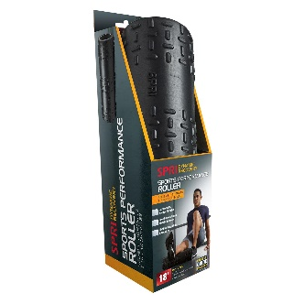 | UPC: 759026710959 | $33.37 | $2,402.64 | HIGH DENSITY FOAM ROLLER: Ultra rigid foam roller provides maximum firmness for an extra tough and firm massage BUILT FOR REPEATED USE: Foam roller maintains shape after repeated use and is built to a professional grade quality and designed for commercial gyms and clubs to be used 100 times a day versus 100 times a year in a home gym IMPROVE CORE STRENGTH: Perfect for developing core stabilization, lower body balance and stamina MUSCLE MASSAGE RELIEF: May also be used for gentle stretching and self-mobilization of joints and spine
SPRI 8LB SINGLE HAND MED | SKU: 07-70398 | 4 | 28 BOXES | 112 | 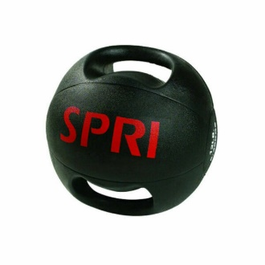 | NO UPC | $46.15 | $5,168.80 | EASY TO GRIP: SPRI weighted exercise ball with thick handles provides comfort and leverage for an intense routine so you can feel more in control of your everyday workout. LONG LASTING DURABILITY: Our exercise balls for working out are made to handle any force or exertion from your exercise routine so you can be proud of reaching your fitness goals. OPTIMAL PERFORMANCE: Thick handles provide expansive rotational movement for sport activities such as golf swings and tennis strokes. Conduct abdominal exercises, upper extremity cross-body patterns, lower-body dynamic and locomotor drills.
SPRI OLYMPIC BAR SPRING | SKU: 07-71442 | 12 | 33 BOXES | 396 |  | UPC: 759026714421 | $12.00 | $4,752.00 | 1 pair barbell spring collars - 2" diameter bars Quality spring steel construction Easy-grip rubber coated handles Hold weights safely in place throughout workout Easily fasten or remove from the bar
 |  |  |  | 18,247 |  |  |  | $283,790.65
 |  |  |  |  |  |  | Your price | $28,900.00
 |  |  |  |  |  |  |  | EXW MIAMI

